EWN COR register
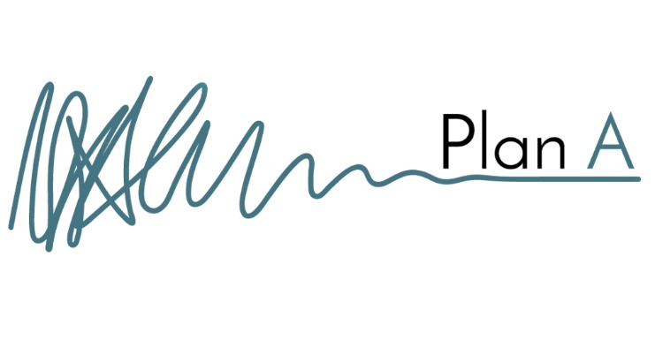
Change Control Register

Project:
File name:
Revision: | Status: | Issue Date: |  |  |  | Early Warning Notice |  |  |  |  |  | COR
01 |  |  | Status | Quantity |  | Urgency | Urgency key | Status key |  |  |  | Urgency | Urgency key | Status key
02 |  |  | Early Warning Notice |  |  | Overdue | Overdue | Response overdue |  |  |  | Overdue | Overdue | Response Overdue
03 |  |  | Change Order Request |  |  | <5 days | High | Open |  |  |  | <5 days | High | Open
 |  |  | Closed |  |  | 5-10 days | Medium | Accepted |  |  |  | 5-10 days | Medium | Accepted
*New items since last issue shown in blue text. |  |  | Total |  |  | >10 days | Low | Rejected |  |  |  | >10 days | Low | Rejected
*EWN greyed out when closed (accepted/rejected).

Reference |  |  |  | Early Warning Notice (EWN) |  |  |  |  | Change Order Request (COR) |  |  |  |  |  | Client instruction |  |  | Comments / notes / further actions
Current status (EWN/COR/closed) | Ref no. | Title | Description | Raised by | Date raised | Date response required | Urgency | Status | Raised by | Date raised | Date response required | Date response received | Urgency | Status | Client instruction to design team | Date of instruction | Incorporated? Y/N

